1-Regional and year wise
Country wise Publications |  |  |  | Year Wise Publication
Country | Publication count | Mix design count | Mix design count proportion (%) |  | Publication count
Algeria | 1 | 2 | 0.09 | 2006 | 2
Brazil | 1 | 1 | 0.05 | 2007 | 1
Austria | 1 | 4 | 0.18 | 2008 | 5
Lithuania | 1 | 4 | 0.18 | 2010 | 6
Switzerland | 1 | 4 | 0.18 | 2011 | 6
Croatia | 1 | 8 | 0.37 | 2012 | 6
Pakistan | 1 | 10 | 0.46 | 2013 | 5
Vietnam | 2 | 10 | 0.46 | 2014 | 9
UK | 2 | 14 | 0.64 | 2015 | 12
Italy | 2 | 14 | 0.64 | 2016 | 16
Australia | 3 | 16 | 0.73 | 2017 | 17
Hong Kong | 1 | 16 | 0.73 | 2018 | 23
Cyprus | 2 | 17 | 0.78 | 2019 | 18
Germany | 2 | 20 | 0.91 | 2020 | 8
Singapore | 5 | 26 | 1.19 | 2021 | 12
France | 2 | 28 | 1.28 | 2022 | 6
Iran | 3 | 41 | 1.87 | 2023 | 5
Netherlands | 5 | 53 | 2.42 | 2024 | 9
Saudi Arabia | 5 | 73 | 3.34 | 2025 | 2
Canada | 5 | 79 | 3.61
Malaysia | 5 | 79 | 3.61
India | 4 | 92 | 4.20
Portugal | 4 | 136 | 6.22
Korea | 11 | 140 | 6.40
Turkey | 7 | 154 | 7.04
USA | 19 | 342 | 15.63
China | 72 | 805 | 36.79

3- SCMs and Nano Particles
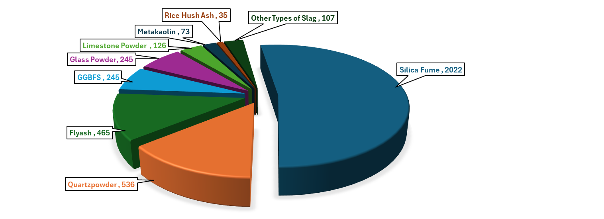
 | Mix design count | Publication count
Silica Fume | 2022 | 151 |  |  |  |  |  |  |  |  |  |  |  |  |  |  |  | Mix design count
Flya Ash F | 319 | 37 |  |  |  |  |  |  |  |  |  |  |  |  |  |  | Nano-CaCO3 | 56
Flya Ash c | 134 | 12 |  |  |  |  |  |  |  |  |  |  |  |  |  |  | Nano-Al2O3 | 1
Unspecified Flyash | 12 | 3 |  |  |  |  |  |  |  |  |  |  |  |  |  |  | Nano-TiO2 | 6
Limestone Powder | 126 | 26 |  |  |  |  |  |  |  |  |  |  |  |  |  |  | Nano Silica | 95
Quartzpowder | 536 | 40
Glass Powder | 245 | 20
Rice Hush Ash | 35 | 8
Metakaolin | 73 | 10
GGBFS | 245 | 40
Steel Slag | 27 | 6
Copper Slag | 60 | 1
Phosphorous Slag | 5 | 1
Ultrafine Slag Powder | 15 | 1

Composition of SCMS present in the dataset

 | Silica Fume |  | Fly Ash Class C |  | Fly Ash Class F |  | Limestone |  | Quartzpowder |  | Glass Powder |  | Rice Hush Ash |  | Metakolin |  | GGBFS |  | Steel Slag |  | Phosphorous Slag | Copper Slag | Ultrafine Slag Powder
 | Mean | Range | Mean | Range | Mean | Range | Mean | Range | Mean | Range | Mean | Range | Mean | Range | Mean | Range | Mean | Range | Mean | Range
CaO | 0.64 | 0.0001 - 2.25 | 24.48 | 16.05 - 28.1 | 6.38 | 1.8025 - 14.45 | 66.23 | 49.27 - 89.56 | 0.57 | 0.01 - 1.61 | 9.69 | 4.1 - 11.3 | 1.00 | 0.71 - 1.35 | 0.49 | 0.03 - 1.15 | 37.33 | 32.13 - 45.86 | 44.14 | 41.001 - 48.66 | 46.73 | 2.00 | 41.80
SiO₂ | 94.54 | 82.22 - 99.8 | 38.31 | 35.8 - 42.1 | 51.21 | 42.3 - 62.08 | 2.11 | 0.07 - 4.36 | 98.41 | 95.5 - 99.8 | 75.24 | 55.6 - 99 | 89.11 | 87.4 - 92 | 54.12 | 46.65 - 58.1 | 36.07 | 25.52 - 40.9 | 15.80 | 12.67 - 19.11 | 42.77 | 27.00 | 33.10
Al₂O₃ | 0.53 | 0 - 2.22 | 20.80 | 14 - 24.8 | 28.39 | 18.56 -38.01 | 0.67 | 0 - 1.06 | 0.29 | 0.05 - 0.75 | 1.92 | 0.24 - 3.6 | 0.34 | 0.19 - 0.61 | 40.64 | 35.14 - 45.77 | 12.14 | 0.72 - 14.89 | 4.13 | 0.84 - 7.46 | 3.34 | 3.00 | 13.70
Fe₂O₃ | 0.69 | 0.02 - 2.44 | 6.88 | 4.6 - 22.9 | 6.51 | 2.784 - 12.49 | 0.68 | 0.02 - 1.6 | 0.13 | 0.01 - 0.74 | 0.70 | 0.046 - 1.77 | 0.34 | 0.17 - 0.63 | 1.24 | 0.51 - 3.87 | 2.20 | 0.2 - 18.9 | 20.73 | 18.01 - 22.69 | 0.51 | 57.00 | 0.70
K₂O | 0.85 | 0.01 - 4.12 | 1.07 | 0.57 - 2.09 | 1.45 | 0.5 - 2.26 | 0.97 | 0 - 7.708 | 1.44 | 0.02 - 3.5 | 1.38 | 0.28 - 8.1 | 3.50 | 1.87 - 4.6 | 0.62 | 0.1 - 1.42 | 0.95 | 0.1 - 1.44 | 0.06 | 0.06 - 0.06 | 0.64 | 0.19 | 0.50
Na₂O | 0.33 | 0 - 1.3 | 2.23 | 0.4 - 9.2 | 0.91 | 0.33 - 2.23 | 0.18 | 0.01 - 0.627 | 0.15 | 0.02 - 0.25 | 12.93 | 10.46 - 14.91 | 0.09 | 0 - 0.2 | 0.39 | 0.02 - 1.52 | 0.27 | 0.2 - 0.46 | 0.26 | 0.119 - 0.41 | 0.25 | 0.20 | 0.20
SO₃ | 0.37 | 0 - 0.99 | 1.29 | 0 - 3.3 | 1.18 | 0.2 - 4.24 | 0.11 | 0.02 - 0.48 | 0.45 | 0 - 0.9 | 0.14 | 0.03 - 0.25 | 0.42 | 0.39 - 0.47 | 0.10 | 0.03 - 0.15 | 1.44 | 0.06 - 7.4 | 0.34 | 0.344 - 0.344 | 0.60 |  | 0.70
MgO | 0.61 | 0 - 3.41 | 2.79 | 1.8 - 4.3 | 1.41 | 0.23 - 3.79 | 1.20 | 0.13 - 2.891 | 0.16 | 0 - 0.21 | 1.62 | 0.51 - 3.45 | 0.61 | 0.47 - 0.8 | 0.59 | 0.07 - 2.66 | 7.71 | 3.41 - 10.8 | 5.20 | 2.8 - 6.138 | 2.27 | 0.29 | 4.90
MnO | 0.11 | 0 - 0.654 | 0.25 | 0.25 - 0.25 | 0.05 | 0.019 - 0.104 |  |  | 0.00 | 0 - 0.01 | 0.05 | 0.02 - 0.1 | 0.49 | 0.28 - 0.7 |  |  | 0.40 | 0.3 - 0.5
TiO₂ | 0.06 | 0 - 0.3 | 1.45 | 1.45 - 1.45 | 1.04 | 0.312 - 1.67 | 0.06 | 0.06 - 0.06 | 0.10 | 0 - 0.25 | 0.05 | 0.04 - 0.06 |  |  | 1.50 | 1.5 - 1.5 | 0.67 | 0.5 - 0.8 | 3.53 | 2.66 - 4.393
Mn₃O₄ | 0.38 | 0.01 - 1.04 |  |  | 0.47 | 0.11 - 1.2 | 1.25 | 0 - 1.605 | 0.25 | 0.25 - 0.25 |  |  |  |  |  |  | 0.02 | 0.01 - 0.03 | 1.04 | 1.042 - 1.042 | 0.14
P₂O₅ | 0.18 | 0 - 1.31 | 1.15 | 1.15 - 1.15 | 0.34 | 0 - 0.89 | 0.16 | 0 - 0.241 | 0.54 | 0.003 - 1.51 | 0.01 | 0 - 0.02 | 0.75 | 0.75 - 0.75 | 0.61 | 0.61 - 0.61 | 0.06 | 0.01 - 0.11 | #DIV/0! | 0 - 0
Cl⁻ | 0.90 | 0.0011 - 2.6 | 0.55 | 0.3 - 1.3 | 0.02 | 0.0149 - 0.02 | 0.12 | 0 - 0.241 | 0.13 | 0.13 - 0.13 | 0.46 | 0.05 - 0.6 |  |  |  |  | 2.76 | 0.04 - 5.1 | 1.63 | 1.5 - 1.76 | 1.81
LOI | 1.80 | 0 - 6 | 1.70 | 1.3 - 2.1 | 2.23 | 0.168 - 7.74 | 36.67 | 0.01 - 46.62 | 0.74 | 0.02 - 3.45 | 2.70 | 0.09 - 13.55 | 3.19 | 0.76 - 4.6 | 1.13 | 0.59 - 1.85 | 1.30 | 0.1 - 3.52 | 8.59 | 8.59 - 8.59
Specific Gravity | 2.23 | 2.1 - 2.6 | 2.67 | 2.58 - 2.7 | 2.48 | 2.24 -2.9 | 2.67 | 2.64 - 2.7 | 2.69 | 2.65 - 2.73 |  |  | 2.19 | 2.19 - 2.19 | 2.55 | 2.5 - 2.6 | 2.89 | 2.78 - 2.91 | 3.15 | 2.81 - 3.75

4-Sand and Fillers
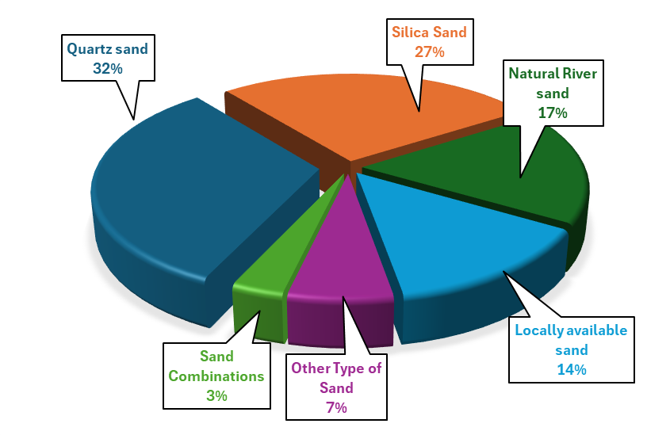
Sand in the dataset
Sand Type |  | Mix design count | Percentage
Quartz sand |  | 683 | 32.201791608
Silica Sand |  | 569 | 26.826968411
Natural River sand |  | 370 | 17.444601603
Locally available sand |  | 293 | 13.814238567
Other Type of Sand | Arkansas Quarry Sand | 2 | 0.0942951438
 | Arkansas River Sand | 13 | 0.6129184347
 | Basalt Sand | 13 | 0.6129184347
 | Bauxite | 12 | 0.5657708628
 | Calcareous sand | 7 | 0.3300330033
 | Crushed limestone | 10 | 0.471475719
 | Fine dune sand | 58 | 2.7345591702
 | Granite + Quartz Sand | 12 | 0.5657708628
 | Ordinary Building Sand | 6 | 0.2828854314
 | Sea Sand | 3 | 0.1414427157
 | Washed sand | 1 | 0.0471475719
Sand Combinations | Natural River sand +Masonry sand | 6 | 0.2828854314
 | Quartz + Basalt | 26 | 1.2258368694
 | Quartz Sand + Normal River Sand | 10 | 0.471475719
 | River Sand + Masonry sand + Lightweight sand | 11 | 0.5186232909
 | Missouri River sand + masonry sand | 8 | 0.3771805752
 | Missouri River sand + masonry sand + LIGHTWEIGHT | 8 | 0.3771805752
 | Total | 2121

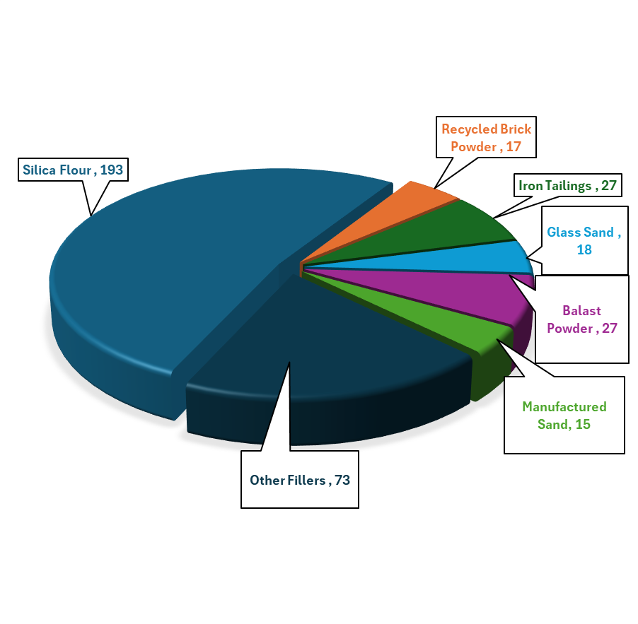
Fillers in the dataset
 | Publication count | Mix design count | Mix design count proportion (%)
Balast Powder | 1 | 27 | 7.2972972973
Cement kiln dust | 1 | 6 | 1.6216216216
Dolomite | 1 | 8 | 2.1621621622
Glass Sand | 1 | 18 | 4.8648648649
Gold Tailings | 1 | 4 | 1.0810810811
Ground Granite Powder | 1 | 15 | 4.0540540541
Iron Tailings | 2 | 27 | 7.2972972973
Manufactured Sand | 1 | 15 | 4.0540540541
Natural Pozzolan | 2 | 8 | 2.1621621622
Pumicite | 1 | 6 | 1.6216216216
Recycled Brick Powder | 1 | 17 | 4.5945945946
Recycled Fine Powder | 1 | 3 | 0.81081081081
Recycled Fine aggregate | 1 | 8 | 2.1621621622
Recycled Glass Cullet | 1 | 3 | 0.81081081081
Rejected Flyash | 1 | 10 | 2.7027027027
Silica Flour | 12 | 193 | 52.162162162
Steel Slag Aggregate | 1 | 2 | 0.54054054054
Total | 30 | 370

Composition of Fillers

 | Balast Powder | Cement kiln dust | dolomite | Glass Sand | Gold mine tailing | ground granite powder (GGP) | Iron Tailings (mass%) | Iron Tailings | manufactured sand | Natural pozzolana (NP) | Pumicite | Recycled Brick Powder | Recycled Fine Powder | r-FA | Steel slag | Silica Flour
 | ref-89-research | ref-5-research |  | ref-88-research | ref-92-research | ref-155-research | ref-77-research | ref-82-research |  | ref-204-research | ref-1-research | ref-3-research | ref-103-research | ref-132-research | ref-56-research | ref-151-research
Substance
CaO | 14.84 | 49.3 |  | 11.3 | 3.534 | 2.31 | 12.74 | 21.676 |  | 8.06 | 0.87 |  | 20.86 |  | 43.37 | 0.3
SiO₂ | 48.71 | 17.1 |  | 73 | 60.426 | 83.21 | 52.06 | 32.756 |  | 42.13 | 63.86 |  | 46.84 |  | 19.11 | 98 - 98.8
Al₂O₃ | 14.58 |  |  | 0.4 | 14.045 | 2.02 | 17.14 | 6.896 |  | 15.33 | 31.11 |  | 15.49 |  | 7.46 | 0.2
Fe₂O₃ | 4.9 |  |  | 1.5 | 6.663 | 1.76 | 9.13 | 16.92 |  | 12.21 | 1.06 |  | 6.95 |  | 18.01 | 0.1
K₂O | 1.83 |  |  | 0.5 |  | 3.39 | 0.3 | 2.028 |  | 0.84 | 0.09 |  | 2.76
Na₂O | 3.45 |  |  | 13 | 0.627 | 4.72 | 0.97 | 1.513 |  | 2.99 | 1.08 |  | 1 |  | 0.41
SO₃ | 1.62 |  |  | - | 0.226 |  |  | 9.486 |  |  | 0.05 |  | 2.05 |  | -
MgO | 2.76 |  |  | 1.2 | 2.498 | 0.54 | 3.68 | 6.052 |  | 8.5 | 0.18 |  | 2.66 |  | 5.17 | 0.2
MnO |  |  |  |  | 0.219 |  | 0.45 |  |  |  |  |  |  |  | 2.66
TiO₂ |  |  |  | 0.04 | 1.109 |  | 0.25 | 1.013 |  | 0.6 |  |  | 0.77
Mn₃O₄ |  |  |  |  |  |  |  | 0.176
P₂O₅ |  |  |  |  | 0.407 |  |  |  |  | 1.37 |  |  |  |  | 1.76
Specific gravity |  | 2.79 |  |  |  |  |  | 2.94 |  | 3 | 2.6 |  |  | 2.19
Max Size |  |  | 2 |  | 0.6 |  | 0.6 | 1 | 1.25 |  |  | 0.15 |  | 1.18 | 1.25

5-Fibers
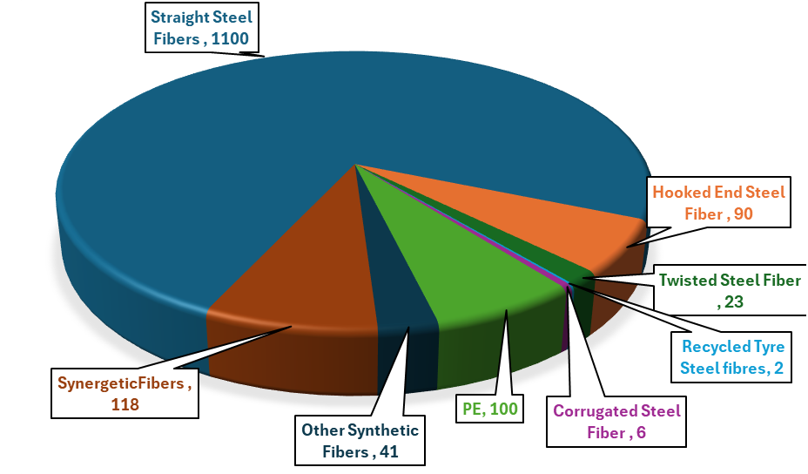
Single Fiber | Mix design count |  |  | Synergetic Fibers
Carbon Fiber | 2 |  |  |  |  | Mix design count
Recycled Tyre Steel fibres | 2 |  |  | Straight Steel Fibers | Hooked end steel fiber | 34
Corrugated Steel Fiber | 6 |  |  | Straight Steel Fibers | micro mineral wollastonita fibers | 1
Hooked End Steel Fiber | 90 |  |  | Straight Steel Fibers | polyethylene fibers | 35
Straight Steel Fibers | 1100 |  |  | Straight Steel Fibers | PP | 2
Twisted Steel Fiber | 23 |  |  | Straight Steel Fibers | PVA | 1
Micro glass Fiber | 6 |  |  | Long Straight Steel Fibers | Short Straight Steel Fibers | 22
PE | 100 |  |  | Hooked end steel fiber | cellulose fiber | 3
PP | 1 |  |  | Twisted steel fiber | PE | 15
PVA | 32 |  |  | Twisted steel fiber | Straight Steel Fibers | 3
Total | 1362 |  |  | recycled tyre steel fibres | carbon fibres (CF) | 2

Physical Properities of Fiber
 | Length (mm) | Diameter (mm) | Tensile Strength (MPa) | Nominal Young’s modulus GPa
Micro mineral wollastonita fibers | 0.05 | 0.00
cellulose fiber | 2.10 | 0.01795 | 900.00
Carbon Fiber | 1.00 | 0.0070 | 4300.00 | 250.00
Recycled Tyre Steel fibres | 15.00 | 0.180 | 2000.000
Corrugated Steel Fiber | 13.00 | 0.200 | 2800.000
Hooked End Steel Fiber | 8--62 | 0.2--0.775 | 1200--2900 | 200--203
Straight Steel Fibers | 6--60 | 0.032--0.55 | 1100-4200 | 200--210
Twisted Steel Fiber | 8--30 | 0.300 | 2100---2428 | 200.00
Micro glass Fiber | 13.00 | 0.018 | 2000.000
PE | 12--36 | 0.015--0.03 | 2400--3900 | 42.80--145
PP | 10.00 | 0.003 | 400.000
PVA | 12--18 | 0.039-0.2 | 1000 | 29

6- Superplasticizer
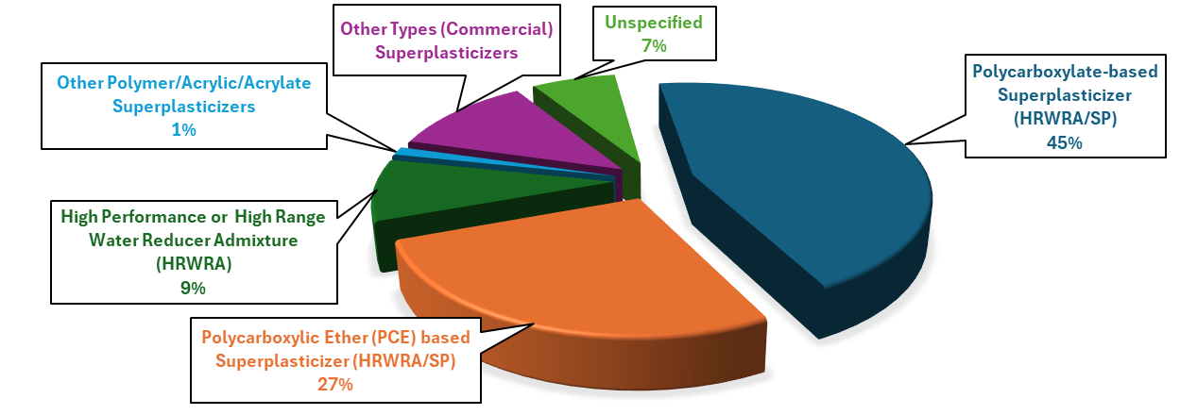
Type of Superplasticizer in the dataset
Type of Superplasticizer |  | Mix design count | Percentage (%)
Polycarboxylate-based Superplasticizer (HRWRA/SP) |  | 977 | 44.652650823
Polycarboxylic Ether (PCE) based Superplasticizer (HRWRA/SP) |  | 591 | 27.010968921
High Performance or High Range Water Reducer Admixture (HRWRA) |  | 194 | 8.8665447898
Other Polymer/Acrylic/Acrylate Superplasticizers | Poly-Acrylic Ester based type SP | 10 | 0.45703839122
 | High water reducer superplasticizer containing acrylic copolymer | 2 | 0.091407678245
 | acrylic-basedsuperplasticizers | 7 | 0.31992687386
 | acrylic-based superplasticizer | 7 | 0.31992687386
Other Types (Commercial) Superplasticizers | GLE NIUM®SKY 561 superplasticizer | 4 | 0.18281535649
 | Superplasticizer Sika Viscorete 2810 | 8 | 0.36563071298
 | CX-8 superplasticizer (SP) with water-reducing | 36 | 1.6453382084
 | Plasticizer Glenium® 51 | 5 | 0.22851919561
 | VMA (i.e. RHEOMAC® VMA 362 | 4 | 0.18281535649
 | VC-2044 | 20 | 0.91407678245
 | superplasticizer (SP) CX-8 | 19 | 0.86837294333
 | SIKA-Austria | 4 | 0.18281535649
 | MasterGlenium51 | 6 | 0.27422303473
 | Super plasticizer Sika Viscorete 2811 | 1 | 0.045703839122
 | Super plasticizer Sika Viscorete 2812 | 1 | 0.045703839122
 | Sika Viscocrete Krono HE 20 superplasticizer (SP) | 4 | 0.18281535649
 | Superplasticizer | 37 | 1.6910420475
 | Chryso Optima 175 | 1 | 0.045703839122
 | Sika ViscoCrete-2044, a polycarboxylic ether based superplasticizer | 8 | 0.36563071298
 | superplasticizer of sulfonated naphthalene formaldehyde based | 26 | 1.1882998172
 | Advacast 575 high range water reducer | 9 | 0.4113345521
 | polycsarboxylic-acid-based superplasticizer (SP) | 30 | 1.3711151737
 | Superplasticiser-Sika | 3 | 0.13711151737
 | HE 200 hyperplasticizer | 27 | 1.2340036563
Unspecified |  | 147 | 6.718464351

7-Curing Regime
 |  | Temeperature |  | Humidity
 | Mix Design | Mean | Range | Mean | Range | Range
Standard/Normal Curing | 1295 | 20.997097625 | 20-30 | 90.288596491 | 50-100 | -
Air Dry Curing | 16 | 24 | 20--26 | 56.25 | 55-60 | -
Autoclaved Curing | 88 | 193.29545455 | 85-210 | - | -
Heat Curing /Oven Curing | 285 | 98.771929825 | 70--200 | 97.480916031 | 85-100 | 1.2 MPa for 4 hrs - 2 MPa for 8 hrs
Steam Curing | 391 | 88.606138107 | 65-150 | 97.884615385 | 95-100 | -
Hot Water Curing | 105 | 86.952380952 | 65--90 | - | - | -

10-Distribtion of 28Days CS
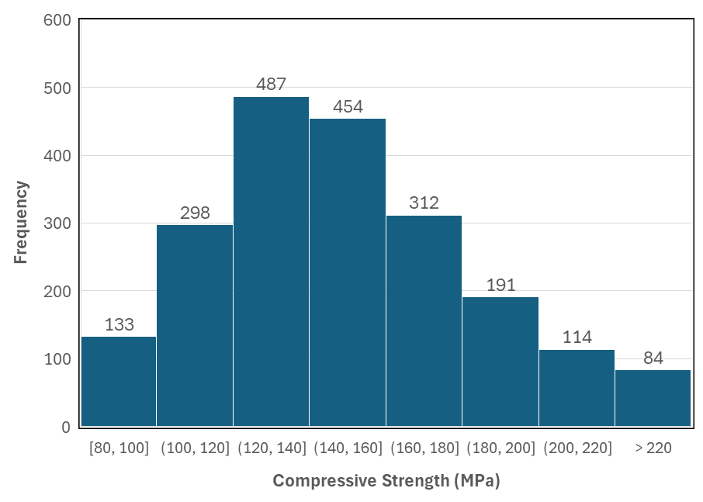
Distribution of 28 days Compressive Strength

